Sheet1
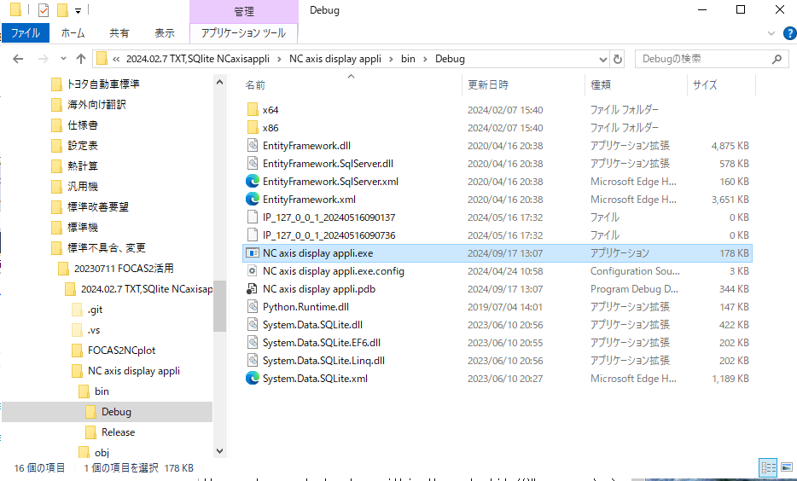
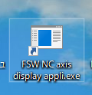
Microsoft Visual Studio Express 2017 for Windows Desktop: NC axis display appli.sln(Main file), Form.cs(Main editing C# file) |  |  | To view the application window: open (.sln - C# program file) in Microsoft Visual Studio Express 2017 for Windows Desktop -> click on the Run button.
DB Browser (SQLite): mydata.db
VS code: FOCAS2NCplot-->Gradationmap.py |  |  | If any changes to be done within the .sln file(C# program) -> change the main file (Form1.cs)
 | Visualize the graph of last sampled data
 |  | Commented code 1111 #Retrieve/ Read Data from the latest data table name | Desktop software application for industrial automation systems, focusing on the Friction Stir Welding (FSW) quality assurance project. Real-time monitoring and analysis of spindle axis position data.
 |  | Commented code 2222 #Retrieve/ Read specific Data from any table name in the Database | This application is for monitoring and data collection in the SQLite database.
VS code: FOCAS2NCplot-->GradationmapTableGraph.py |  |  | Develop an algorithm for efficient data sampling and analysis, ultimately
 | Visualize the graph of selected table data |  | enabling real-time processing status visualization through dynamic 3D plots using Python programming.

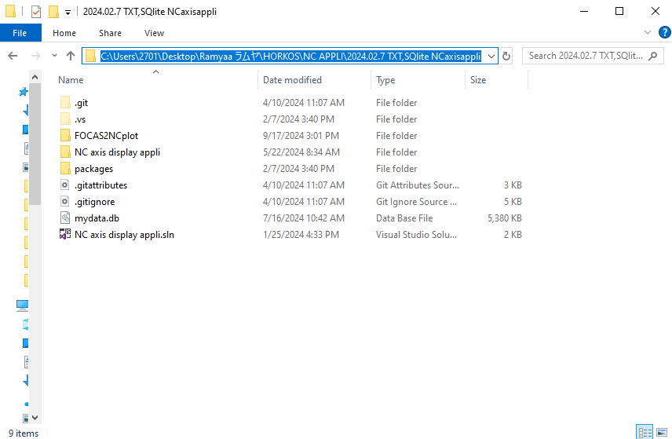

Application Window
Press START button to start the sampling process
Enter the IP Address of the machine
Press STOP button to stop the sampling process

GradationmapTableGraph.py - selected table graph is displayed if this .py file is saved in the desktop location. X Doesnt display selected table graph if it is saved in the server location X
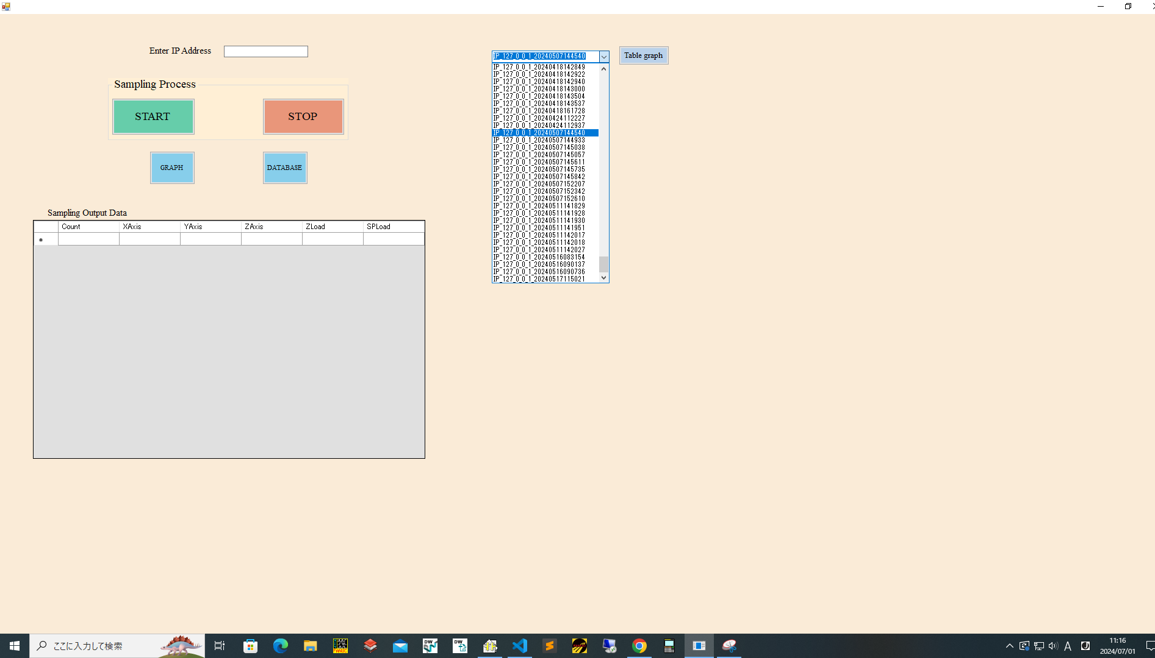

3.Press TABLE GRAPH button to view the graph for the selected data table GradationmapTableGraph.py

Press DATABASE button to open SQLite database window mydata.db
Press GRAPH button to display the latest data graph(last run collected data) Gradationmap.py
NC axis display appli.sln (Main file) Always check and Edit the location in Form.cs file
1. Click on the drop down arrow to view the old data table. 2. Select any sepcific data table

Sampling data is displayed here Count: no's of data, Axis & Load data

To create shortcut Application(Application window opens in double click): 2024.02.7 TXT,SQlite NCaxisappli(main project folder) --> NC axis display appli\bin\Debug\NC axis display appli.exe

